Entry Form
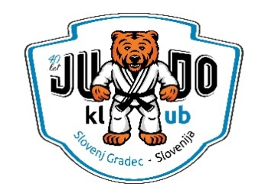 KOROŠKA OPEN 2026 - Accommodation form

 |  | Please DOWNLOAD the form, fill it in and send it back to us by: |  |  |  |  |  | 2 October 2026
 |  | This form is for accommodation only! You have to register your competitors online at: |  |  |  |  |  | events.judo-koroska.com/ko

 |  | Club [This will be on the invoice]

Club name *:

Judo klub Slovenj Gradec
WWW: events.judo-koroska.com/ko
E-mail: events.judokoroska@gmail.com
Phone contacts:
Ruslan: +386 31 316 454 (RUS, UA)
Stojan: +386 31 552 379 (ENG, GER, RUS)
Address *:

City *: |  |  |  | Postal code *: |  | Country *:

VAT: |  |  | (e. g. SI 32228422)

E-mail *:

 |  | Person in charge of delegation [Contact person on site]

 | Name *: |  |  |  | Mobile phone:
 |  |  |  |  |  | (e. g. +386 31 316 454)
 | E-mail *:

Accommodation form

No. | Name | Last Name | Gender | Date of birth [dd.mm.yyyy] | Function | Accommodation preference | Check in | Check out | Board | First meal | Last meal | Remarks

1
2
3
4
5
6
7
8
9
10
11
12
13
14
15
16
17
18
19
20

 |  | Transfer info [Fill in if you require transportation from/to an airport] |  |  |  |  |  |  | Additional information

 | Date of arrival: |  |  | Date of departure:

 | Time of arrival: |  |  | Time of departure:

 | Airport: |  |  | Airport:

 | Flight number: |  |  | Flight number:

